EDR
Ref URL | http://www.edr-edr.it/edr_programmi/res_complex_comune.php?do=book&id_nr=EDR000113
ID | EDR000113
Alt IDs? | TM258845
Object Type? | tabula
Material | marmor
Language | latina
Date | - 1 571 d.C. / 573 d.C.
Inscription Type | sepulcralis
Image URLs | http://www.edr-edr.it//foto_epigrafi/immagini_uso/1/000113.jpg?dummy=1573210171 | http://www.edr-edr.it//foto_epigrafi/immagini_uso/1/000113-1.jpg?dummy=1573211288 | https://edh-www.adw.uni-heidelberg.de/digilib/Scaler/IIIF/f023476.tif/full/pct:10/0/default.png
 | 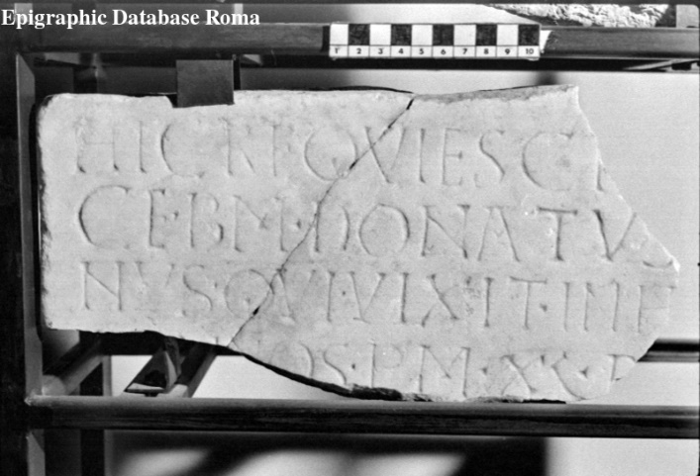 | 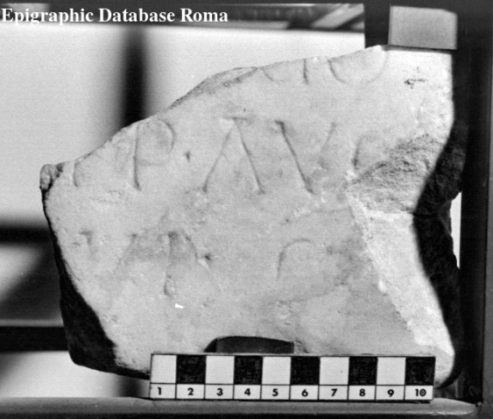
Interpretive | Hic requiesci[t in pa]= | HIC REQUIESCI[T IN PA]=
 | ce b(onae) m(emoriae) Donatus [diaco]=
 | nus, qui vixit in h[oc sae]=
 | [cl(o) an]nos p(lus) m(inus) XL, d[ep(ositus) est]
5 | [sub (die) - men(se) Ianua]ṛịọ
 | [Imp(eratore) D(omino) N(ostro) Iustino] p̣(er)p(etuo) Aug(usto)
 | [anno] VI.
Diplomatic ? | HIC REQVIESCI
 | CE · BM · DONATVS [-----]
 | NVS · QVI · VIXIT · INH[-----]
 | [----]NOS · PM · XL · D[-----]
 | [------------]ṚỊỌ
 | [------------] P̣ P · AVG
 | [----] VI ·
GEO | 44.0484, 8.21493

EDH
Ref URL | https://edh-www.adw.uni-heidelberg.de/edh/inschrift/HD000042
ID | HD000042
Alt IDs? | EDRR078758, TM265591
Object Type? | stele
Material | travertine: rocks - chemische Sedimente
Language | latina
Date | 70 BC – 31 BC
Inscription Type? | epitaph
Image URLs | https://edh-www.adw.uni-heidelberg.de/digilib/Scaler/IIIF/f023476.tif/full/full/0/default.png | http://www.edr-edr.it/foto_epigrafi/immagini_uso/78/078758.jpg?dummy=1573222304
 | 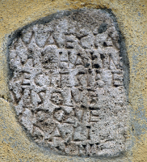 | 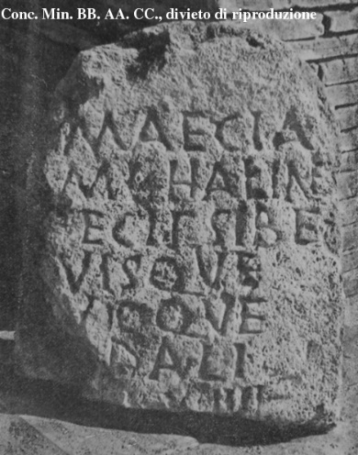
Interpretive | Maecia
 | M(arci) l(iberta) Halin̂e
 | f̣ecit sibe(!)
 | [s]uisque
5 | [s]uoque
 | [so?]dali.
 | [in fr(onte) p(edes)] XIIII,
 | [in ag(ro) p(edes) ---].
Diplomatic ? | MAECIA
 | M L HALIN̂E
 | F̣ECIT SIBE
 | [ ]VISQVE
 | [ ]VIOQVE
 | [ ]DALI
 | [ ] XIIII
 | [ ]
GEO | 41.895466,12.482324

